JEDEC 218B
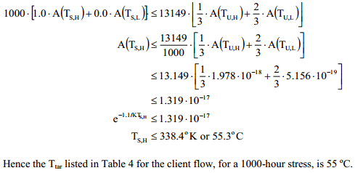
Calculations of Temperature-Accelerated Stress Times

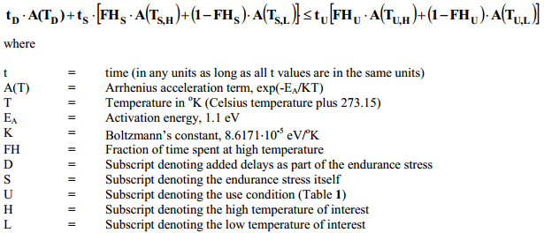
Parameters | Calculation
Dwell | 0
TD | 0
A(TD) | 5.0559585961E-21
tU | 13149
TD Delay of endurance stress (hour) | 2000 |  | unit: hours
T | 30 | 303.15
EA (eV) | 1.1
K | 8.6171E-05
TS,H | 71.693968798 | 8.3837087435E-17 | unit: C
A(TS,H) | 8.3837087435E-17
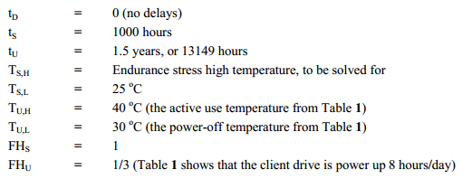
TS,L | 25
A(TS,L) | 2.5447664101E-19
TU,H | 55 |  | unit: C
A(TU,H) | 1.2751857546E-17
TU,L | 40 |  | unit: C
A(TU,L) | 1.9784460707E-18
FHS | 1
FHU | 1 |  | unit: day

